View Factor Matrix
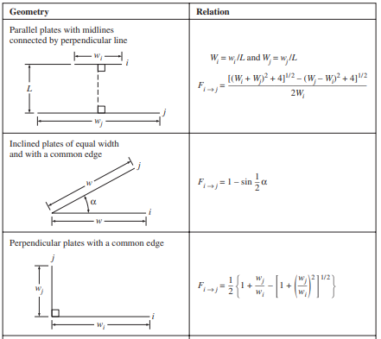
 |  |  | Component 1 | Component 2 | Component 3 | Component 4
 |  |  | Vacuum | Lunar Surface | Long Side 1 | Long Side 2
 | Component 1 | Vacuum | 0.0000000000 | 0.0000000000 | 0.0198000000 | 0.0198000000
 | Component 2 | Lunar Surface | 0.0000000000 | 0.0000000000 | 0.0000000000 | 0.0000000000
 | Component 3 | Long Side 1 | 0.0192020730 | 0.0000000000 | 0.0000000000 | 0.0038779595
 | Component 4 | Long Side 2 | 0.0192020730 | 0.0000000000 | 0.0038779595 | 0.0000000000
 | Component 5 | Short side 1 | 0.0172020730 | 0.0000000000 | 0.0038246262 | 0.0038246262
 | Component 6 | Short side 2 | 0.0168020730 | 0.0000000000 | 0.0038246262 | 0.0038246262
 | Component 7 | Roof | 0.0096000000 | 0.0000000000 | 0.0010137500 | 0.0010137500
 | Component 8 | Floor | 0.0100000000 | 0.0000000000 | 0.0007300000 | 0.0007300000
 | Component 9 | Mid-deck | 0.0000000000 | 0.0000000000 | 0.0015800000 | 0.0015800000
 | Component 10 | Landing leg 1 | 0.0052617576 | 0.0000000000 | 0.0005979270 | 0.0000000000
 | Component 11 | Landing leg 2 | 0.0052617576 | 0.0000000000 | 0.0000000000 | 0.0005979270
 | Component 12 | Landing leg 3 | 0.0052617576 | 0.0000000000 | 0.0000000000 | 0.0000000000
 | Component 13 | Landing leg 4 | 0.0052617576 | 0.0000000000 | 0.0000000000 | 0.0000000000
 | Component 14 | Internal Hot Box | 0.0000000000 | 0.0000000000 | 0.0002666667 | 0.0002666667
 | Component 15 | Middle Floor Box | 0.0000000000 | 0.0000000000 | 0.0000400000 | 0.0002666667
 | Component 16 | Side Floor Box | 0.0000000000 | 0.0000000000 | 0.0002666667 | 0.0001111111
 | Component 17 | Removed | 0.0000000000 | 0.0000000000 | 0.0000000000 | 0.0000000000
 | Component 18 | Top Roof | 0.0000000000 | 0.0000000000 | 0.0003166667 | 0.0003166667
 | Component 19 | External Top | 0.0016000000 | 0.0000000000 | 0.0000000000 | 0.0000000000
View factors * surface area of surfaces that will be radiating heat to others nearby | Component 20 | External Side | 0.0014266667 | 0.0000000000 | 0.0000000000 | 0.0000000000
This will be 0 for most cases (as Conductivity is dominant) | 0 | x
 | 0 | x
Pick the best one of these to describe the scenerio and populate cells | 0 | x
Or rough estimate of shared surface area would be sufficient | 0 | x
 | 0 | x
 | 0 | x
 | 0 | x
 | 0 | x
 | 0 | x
...

